Instructions
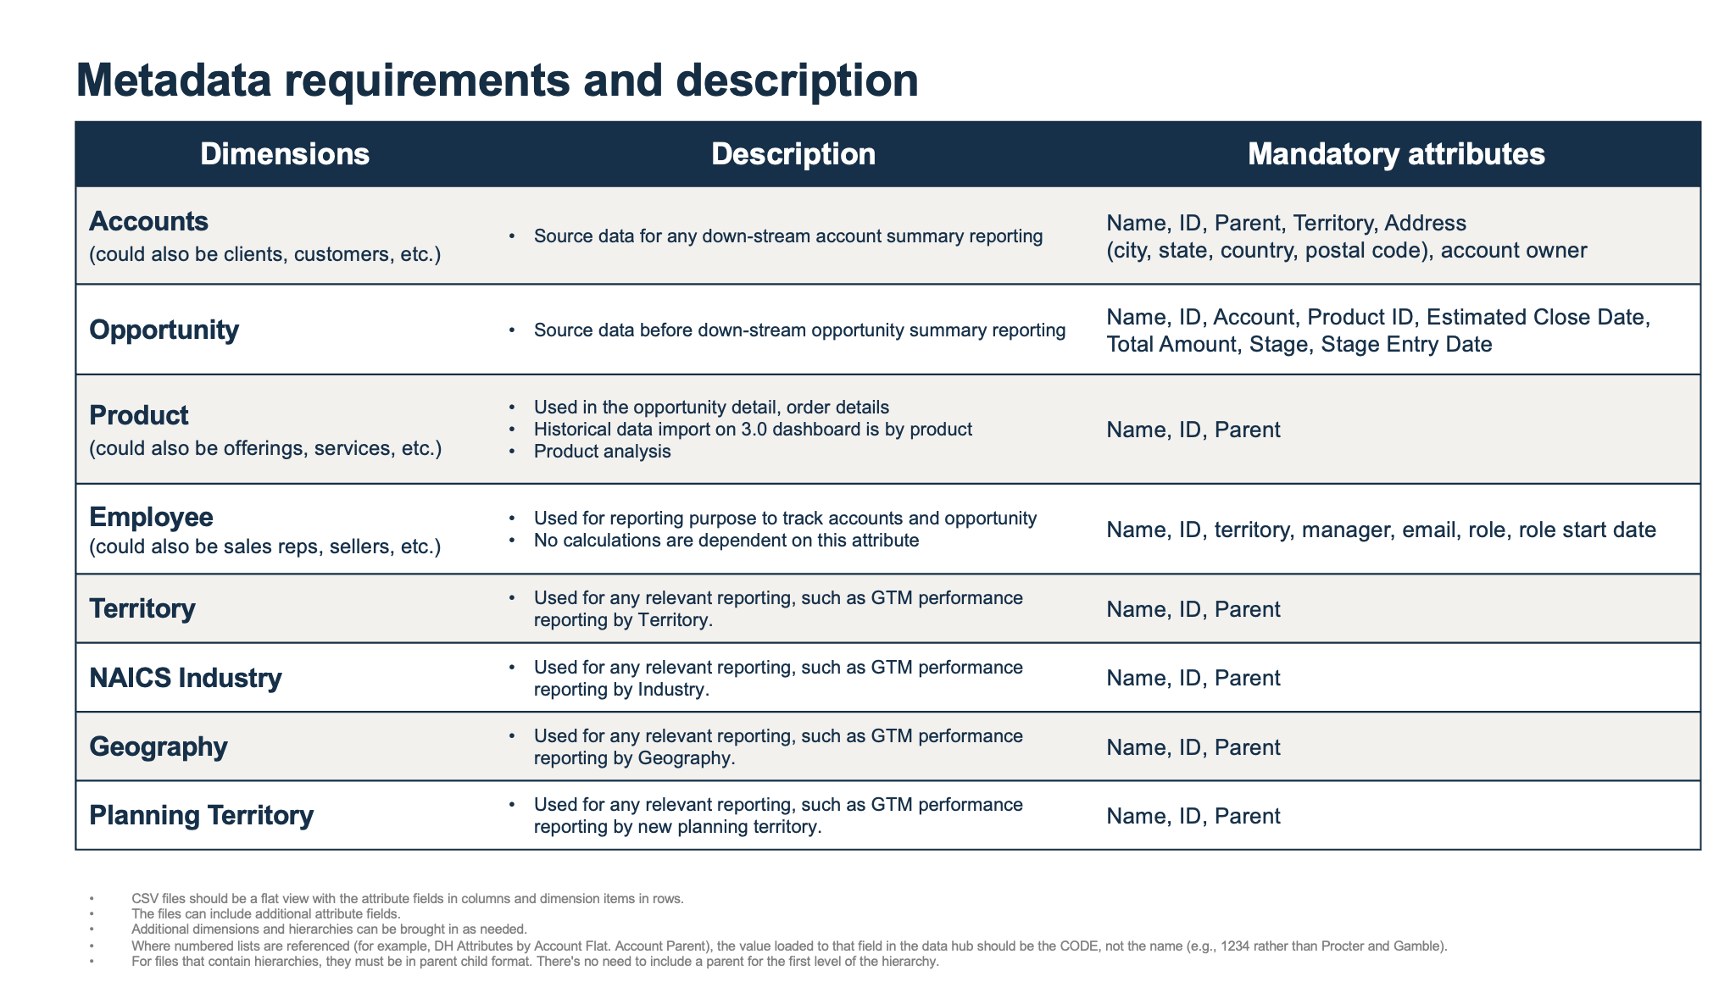
ANAPLAN APPLICATIONS
Data Prep Workbook

Application: | Segmentation and Scoring
Version: | v 1.1.0
Last Updated: | 2025-07-02

Purpose : | To prepare data essential for the Segmentation and Scoring Application implementation and ensure data quality and readiness.

Instructions: | Please provide your data files that align with the standard data objects for the Segmentation and Scoring Application. Each tab in this workbook is correspond to a data object, please review the tabs and align the naming of the attributes between the workbook and your actual data files.

Confidentiality Notice: | This documentation and any related materials are provided solely for the use of authorized Anaplan customers who have purchased the Segmentation and Scoring Application and are considered Anaplan proprietary information. The information contained herein is intended exclusively for the purpose of implementing the application by authorized customers. Any use outside of this intended purpose is strictly prohibited, including but not limited to:
 | · Sharing, distributing, or disclosing this content with or to individuals or entities not directly involved in the customer’s authorized implementation.
 | · Using the documentation, in whole or in part, to replicate, retrofit, or reverse-engineer the functionality in other models, environments, or platforms.
 | This documentation contains proprietary information of Anaplan and is protected by applicable intellectual property laws. Any unauthorized use, reproduction, or dissemination is a violation of these terms and may result in legal action

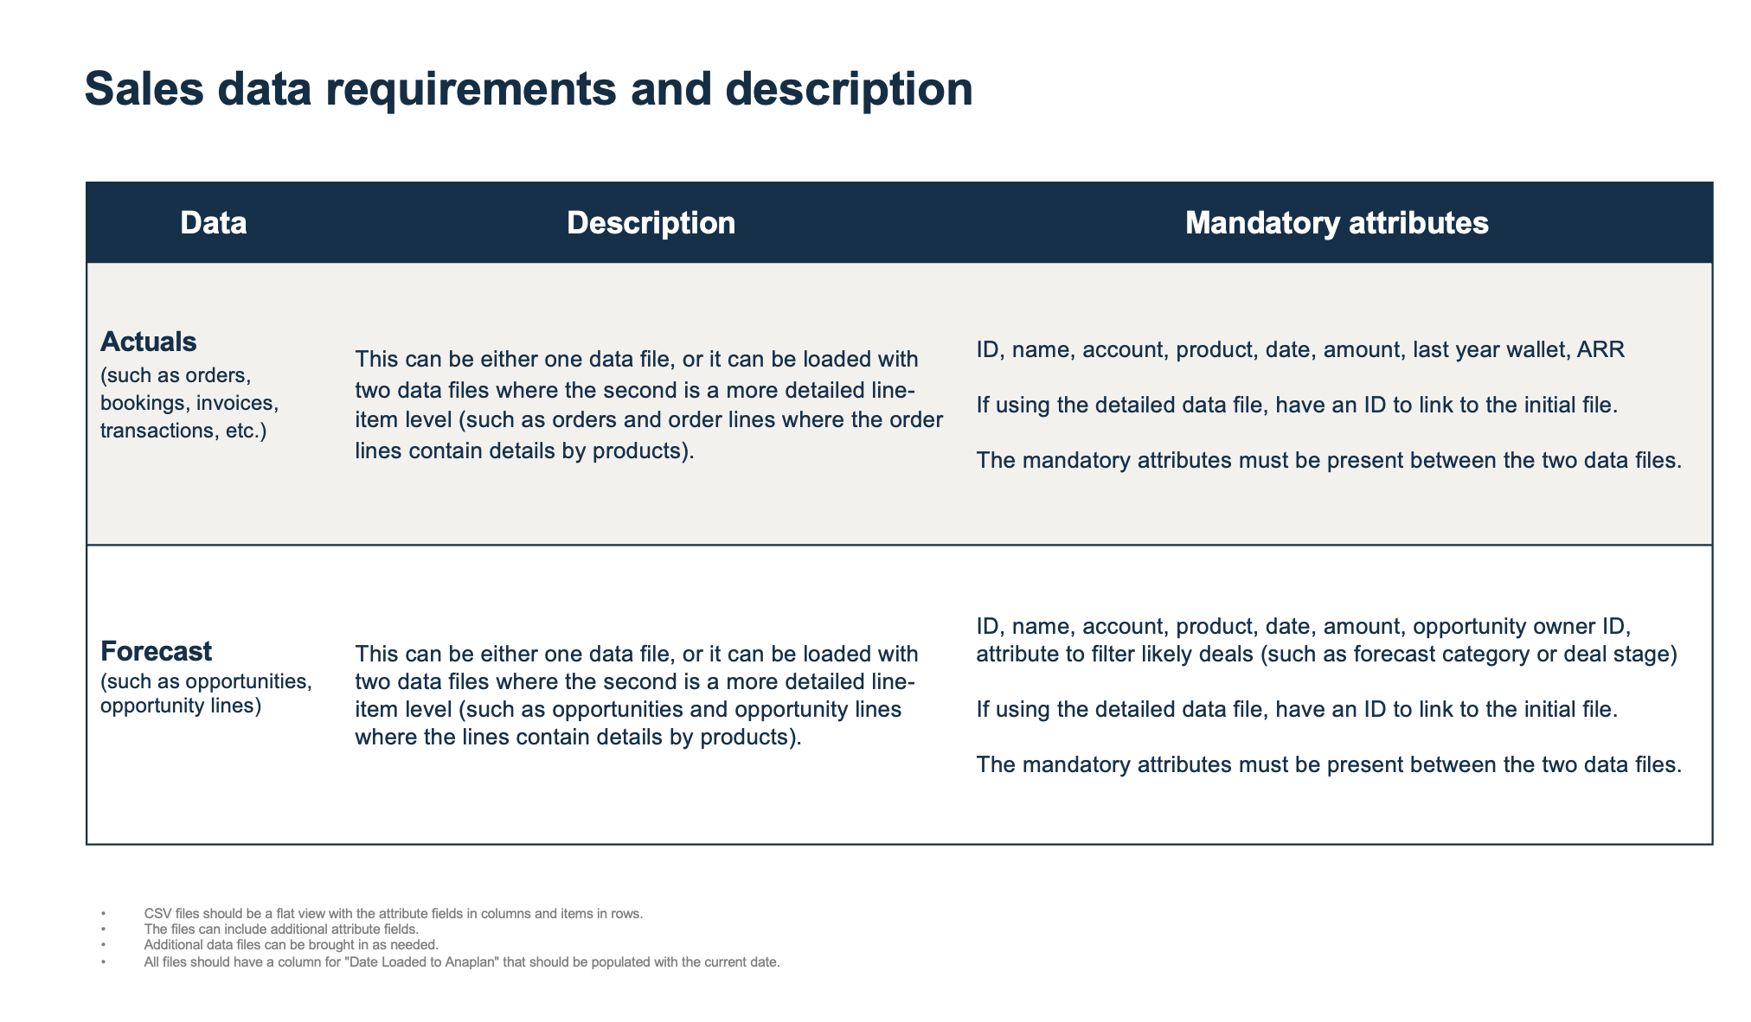
Note | All data file imported to Anaplan is expected to be the CSV format.

